BUG REPORT
IKEA - ONLINE FURNITURE SHOPPING SITE

IDENTIFIED BY : LINSHA RACHEL SHABU
VERSION NO :
VERIFIED BY : RAKHI
DATE : 29-11-2023
BROWSER NAME : GOOGLE CHROME
OS : WINDOWS 10
BUG ID | EXPECTED RESULT | BUG DESCRIPTION | STEPS TO REPRODUCE | SEVERITY | PRIORITY | SCREENSHOT | STATUS
IKA_BK_01 | Overall appearance of the website should attract the user | The icons used need enhancement | 1.Open website https://www.ikea.com/in/en/ | Minor | P2 |  | NEW
IKA_BK_02 | Create Account option for new users should displayed in the home page itself | Create Account option is present inside another menu | 1.Open website https://www.ikea.com/in/en/ | Minor | P2 |  | NEW
IKA_BK_03 | Create Account option for new user should be easily recognised by the user | Create Account option is displayed differently as Join IKEA family | 1.Open website https://www.ikea.com/in/en/ | Minor | P2 |  | NEW
IKA_BK_04 | Name fields should not accepts invalid characters | Name fields are accepting invalid characters | 1.Open website https://www.ikea.com/in/en/ 2.Type invalid charcters in name fields | Minor | P2 |  | NEW
IKA_BK_05 | Name fields should not accepts numbers | Name fields are accepting numbers | 1.Open website https://www.ikea.com/in/en/ 2.Type numbers in name field | Minor | P2 |  | NEW
IKA_BK_06 | Change Country option in the drop down of hamburger menu should give lists of country names for changing | Change country option is not showing the required result instead redirecting to another page | 1.Open website https://www.ikea.com/in/en/ 2.Click on the Change country option in the hamburger menu | Critical | P1 |  | NEW
IKA_BK_07 | User should able to search product by uploading images of product by clicking on the camera icon in the search bar | Camera icon is not working | 1.Open website https://www.ikea.com/in/en/ 2.Click on the camera icon in the search bar | Critical | P1 |  | NEW
IKA_BK_08 | Buy Now option should be present along with the Add to Bag option near product | Buy Now option is not present | 1.Open website https://www.ikea.com/in/en/ 2.Search a product 3.Check near the product | Major | P2 |  | NEW
IKA_BK_09 | There should be a limit for user to add items in the cart | There is not limit for users to add items in the cart, users are able to add products more than 100 | 1.Open website https://www.ikea.com/in/en/ 2.Select a product 3.Select Add to Bag option 4.Click the '+' sign | Minor | P2 |  | NEW
IKA_BK_10 | Book Assembly option should give details for booking | Book Assembly page is not loading | 1.Open website https://www.ikea.com/in/en/ 2.Scrool down 3.Click on the Book Assembly option | Critical | 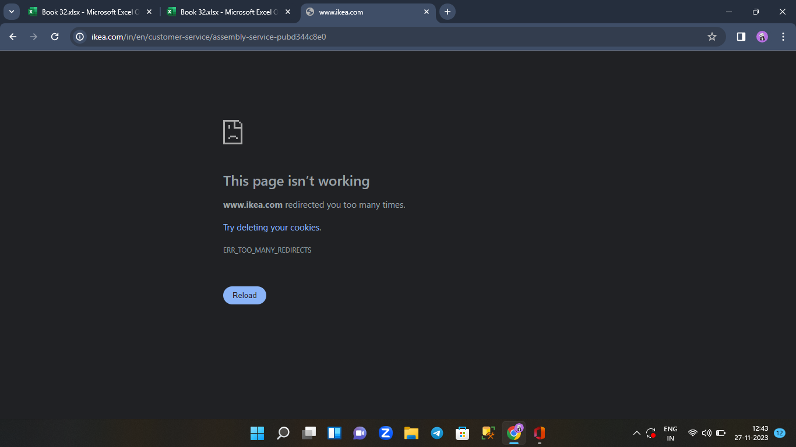 P1 |  | NEW
IKA_BK_11 | The First name,Last Name and Address fields in the Billing Address page should not accept invalid characters and numbers | First name,Last name and Address field in the Billing Address page is accepting invalid characters and numbers | 1.Open website https://www.ikea.com/in/en/ 2.Select a product 3.Select Add to Bag option 4.Proceed to Buy | Minor | P2 |  | NEW
IKA_BK_12 | There should be a time out if payment is not done for certain time | There is no time out for delay in payment | 1.Open website https://www.ikea.com/in/en/ 2.Select a product 3.Select Add to Bag option 4.Proceed to Buy 5.Select Payment option | Minor | P2 |  | NEW
IKA_BK_13 | CLICK HERE option in the UPI method option of PAYMENT page should give the list of all UPI supported banks | CLICK HERE option is not loading result | 1.Open website https://www.ikea.com/in/en/ 2.Select a product 3.Select Add to Bag option 4.Proceed to Buy 5.Select Payment option | Major | P1 | 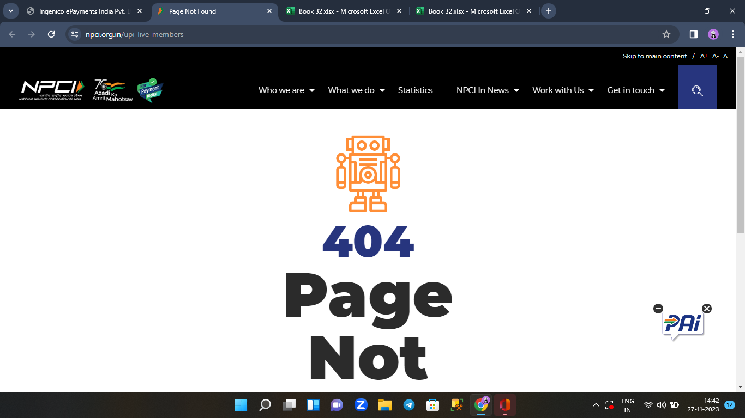 | NEW
IKA_BK_14 | User should not able to add products to wish list and to cart after logged out | User is able to add products in the wish list and to cart after logging out | 1.Log out 2.Select a product 3.Click on heart icon 4.Click on add to bag | Minor | P2 |  | NEW
IKA_BK_15 | After the user logged out from the website a fresh page should be displayed for new user | Not showing a fresh page instead a page with activities of previous user is displaying | 1.Log out from the website | Minor | P2 | 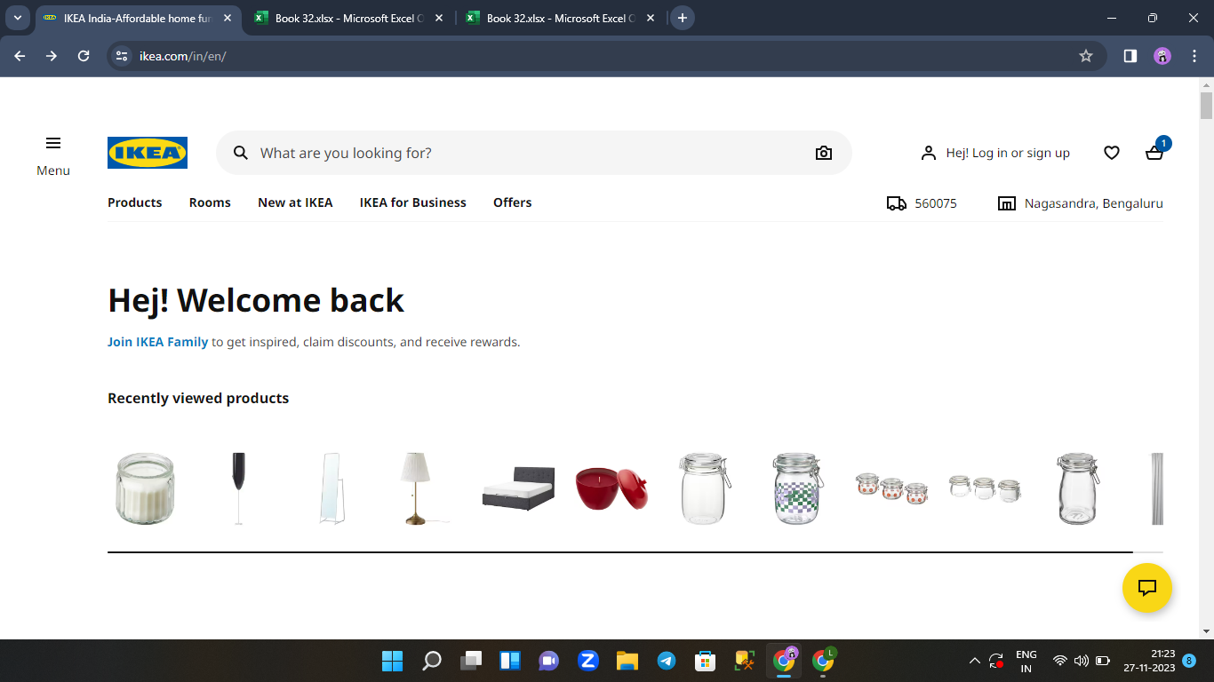 | NEW

DEFECT DISTRIBUTION
DEFECT DISTRIBUTION GRAPH
HOME PAGE | 5
LOGIN PAGE | 0
SHOPPING PAGE & CART PAGE | 5
PAYMENT PAGE | 3
CUSTOMER SERVICE & LOGOUT | 2
 | MODULE NAME | DEFECT DISTRIBUTION
 | HOME PAGE | 5
 | LOGIN PAGE | 0
 | SHOPPING PAGE & CART PAGE | 5
 | PAYMENT PAGE | 3
 | CUSTOMER SERVICE & LOGOUT | 2

